Box 10 inventory
Tube number | T1 | T2 | T3 | All | Group |  | Treatment
87 | n | y | y | y | 1 | Group 1 | Ure, mock IR + veh
88 | n | y | y | y |  | Group 2 | Ure, mock IR + DMXAA
89 | n | y | y | y |  | Group 3 | Ure, 13 Gy + veh
90 | n | y | y | y |  | Group 4 | Ure, 13 Gy + DMXAA
91 | y | y | y | y | ? | Group 5 | PBS, 13 Gy + DMXAA
92 | n | y | y | y | 2
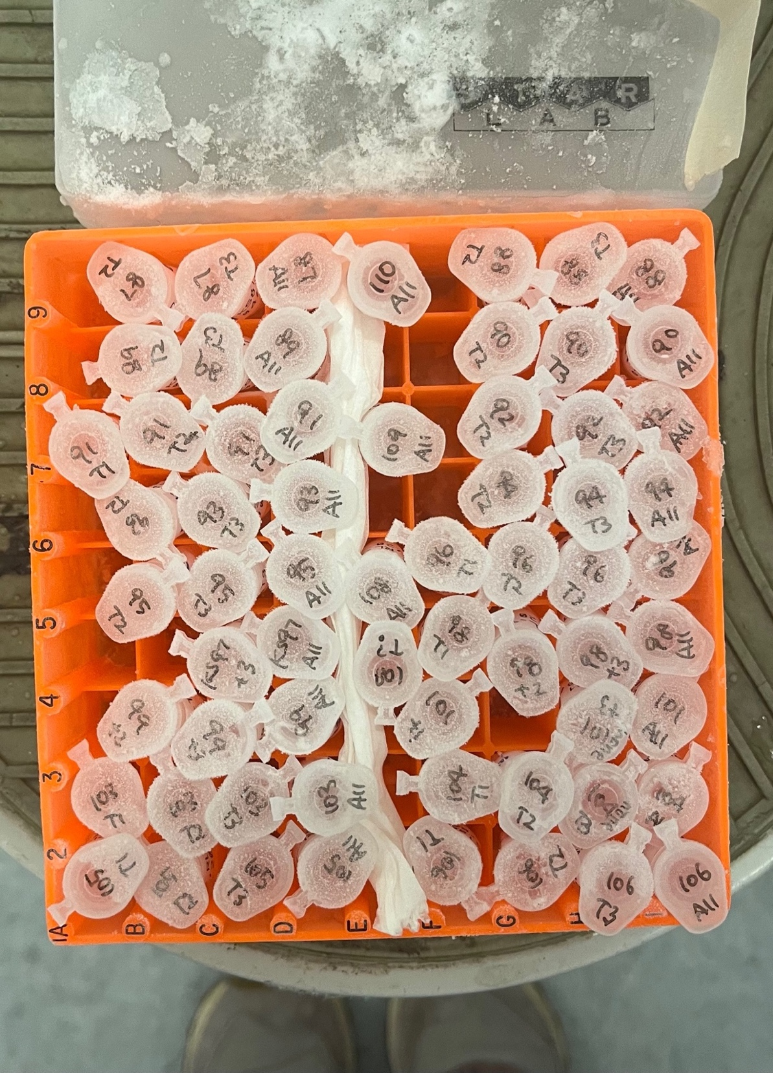
93 | n | y | y | y
94 | n | y | y | y
95 | n | y | y | y
96 | y | y | y | y | ?
97 | n | n | y | y | 3
98 | y | y | y | y | ?
99 | n | y | y | y | 3
100 | n | n | n | n | ?
101 | y | n | y | y | 3
102 | n | n | n | n | ?
103 | y | y | y | y | 4
104 | y | y | y | y
105 | y | y | y | y
106 | y | y | y | y
107 | n | n | n | n | 5
108 | n | n | n | y
109 | n | n | n | y
110 | n | n | n | y

 |  |  |  | 1 unknown tube

